Website views
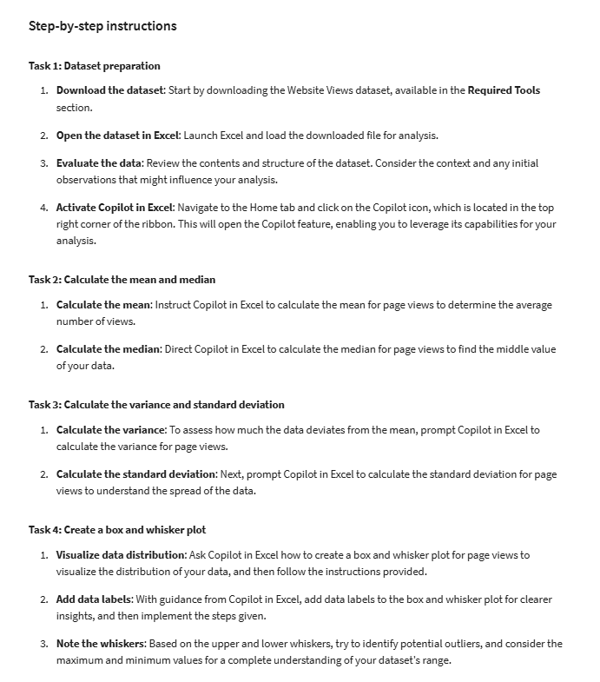
Day | Page Views
2024-12-01 | 120
2024-12-02 | 140
2024-12-03 | 160
2024-12-04 | 200
2024-12-05 | 250
2024-12-06 | 300
2024-12-07 | 280
2024-12-08 | 320
2024-12-09 | 350
2024-12-10 | 400
2024-12-11 | 450
2024-12-12 | 500
2024-12-13 | 600
2024-12-14 | 550
2024-12-15 | 700
2024-12-16 | 800
2024-12-17 | 900
2024-12-18 | 1000
2024-12-19 | 950
2024-12-20 | 1100
2024-12-21 | 1200
2024-12-22 | 1300
2024-12-23 | 1500
2024-12-24 | 1800
2024-12-25 | 2000
2024-12-26 | 1300
2024-12-27 | 900
2024-12-28 | 700
2024-12-29 | 600
2024-12-30 | 400
2024-12-31 | 300

